Home
OFS Risk Ranking Tool

IMPORTANT – HOW TO USE THIS TOOL
To ensure the Risk Ranking Tool functions correctly, follow the steps below:
1. Do not open this Excel file directly from email, Microsoft Teams, SharePoint, or a web browser.
2. Save the file to your Desktop or another local folder first.
3. Open the Excel file locally.
4. If the file does not work properly, close it completely.
5. Right-click on the Excel file and select Properties.
6. In the General tab, check “Unblock” (or “Unlock”, if displayed).
7. Click Apply, then OK.
8. Re-open the Excel file and Enable Macros when prompted.

Recordables
Level D Events
Near Misses
Potential Severe Events
Action Tracking System (ATS)

Concern Reports (CRs)
ATS & Concern Reports – Contribution
OFS Risk Ranking

Proactive Risk
Page
Risk Ranking – Calculation Methods
OFS Life Saving Rules Risk Ranking

All Sheets
Home
OFS Risk Register
2022
2024

2025

Recordables
Serial | Hazard Category | Recordables | Level A | Level B | Level C

1 | Access / Egress | 0 | 0 | 0 | 0
2 | Animals/Insects | 0 | 0 | 0 | 0
3 | Accommodation/Lodging | 0 | 0 | 0 | 0
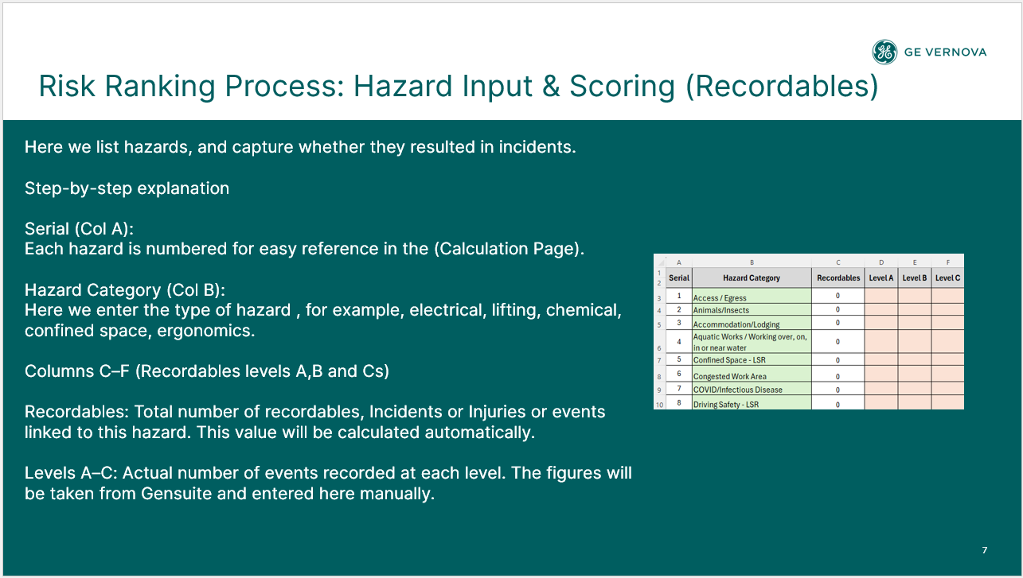
4 | Aquatic Works / Working over, on, in or near water | 0 | 0 | 0 | 0
5 | Confined Space - LSR | 0 | 0 | 0 | 0
6 | Congested Work Area | 0 | 0 | 0 | 0
7 | COVID/Infectious Disease | 0 | 0 | 0 | 0
8 | Driving Safety - LSR | 0 | 0 | 0 | 0
9 | Emergency Preparedness & Response | 0 | 0 | 0 | 0
10 | Energy Isolation - LSR | 0 | 0 | 0 | 0
11 | Environment | 0 | 0 | 0 | 0
12 | Environment/Spill/Waste | 0 | 0 | 0 | 0
13 | Ergonomics | 0 | 0 | 0 | 0
14 | Excavation | 0 | 0 | 0 | 0
15 | Fatigue/Work Stress | 0 | 0 | 0 | 0
16 | Fire and Explosion - LSR | 0 | 0 | 0 | 0
17 | Hazardous Substances | 0 | 0 | 0 | 0
18 | Housekeeping | 0 | 0 | 0 | 0
19 | Industrial Hygiene - Biological | 0 | 0 | 0 | 0
20 | Industrial Hygiene - Chemical | 0 | 0 | 0 | 0
21 | Industrial Hygiene - Physical (Noise, Vibration, Lighting etc.) | 0 | 0 | 0 | 0
22 | Line of Fire - LSR | 0 | 0 | 0 | 0
23 | Live Electrical - LSR | 0 | 0 | 0 | 0
24 | Machine / Equipment | 0 | 0 | 0 | 0
25 | Manual Handling | 0 | 0 | 0 | 0
26 | Mechanical Lifting - LSR | 0 | 0 | 0 | 0
27 | Non-powered Hand Tools | 0 | 0 | 0 | 0
28 | Pedestrian and Vehicle Traffic Management | 0 | 0 | 0 | 0
29 | Personal Protective Equipment (PPE) | 0 | 0 | 0 | 0
30 | Pinch Point/Sharp Objects | 1 | 0 | 0 | 1
31 | Powered Hand Tools | 0 | 0 | 0 | 0
32 | Radiation | 0 | 0 | 0 | 0
33 | Site Welfare Facilities | 0 | 0 | 0 | 0
34 | Systems & Procedures | 0 | 0 | 0 | 0
35 | Walking Working Surfaces | 0 | 0 | 0 | 0
36 | Weather | 0 | 0 | 0 | 0
37 | Work at Height - LSR | 0 | 0 | 0 | 0
38 | Work Authorization - LSR | 0 | 0 | 0 | 0
39 | Working Alone | 0 | 0 | 0 | 0
40 |  | 0
41 |  | 0
42 |  | 0
43 |  | 0
44 |  | 0
45 |  | 0
46 |  | 0
47 |  | 0
48 |  | 0
49 |  | 0
50 |  | 0
51 |  | 0
52 |  | 0
53 |  | 0
54 |  | 0
55 |  | 0
56 |  | 0
57 |  | 0
58 |  | 0
59 |  | 0
60 |  | 0

FA, NMs, PSEs
Serial | Hazard Category | Level Ds | PSEs | NMs

1 | Access / Egress | 0 | 0 | 0
2 | Animals/Insects | 0 | 0 | 0
3 | Accommodation/Lodging | 0 | 0 | 0
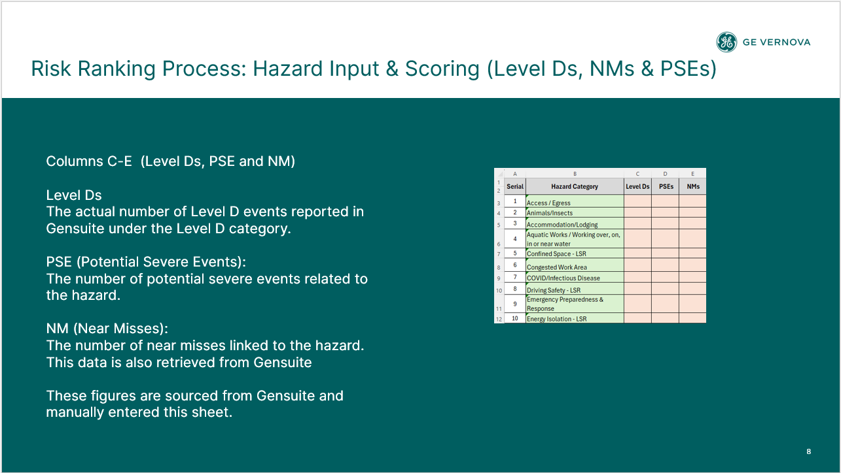
4 | Aquatic Works / Working over, on, in or near water | 0 | 0 | 0
5 | Confined Space - LSR | 0 | 0 | 0
6 | Congested Work Area | 0 | 0 | 0
7 | COVID/Infectious Disease | 0 | 0 | 0
8 | Driving Safety - LSR | 0 | 0 | 0
9 | Emergency Preparedness & Response | 0 | 0 | 0
10 | Energy Isolation - LSR | 0 | 0 | 0
11 | Environment | 0 | 0 | 0
12 | Environment/Spill/Waste | 0 | 0 | 0
13 | Ergonomics | 0 | 0 | 0
14 | Excavation | 0 | 0 | 0
15 | Fatigue/Work Stress | 0 | 0 | 0
16 | Fire and Explosion - LSR | 0 | 0 | 0
17 | Hazardous Substances | 0 | 0 | 0
18 | Housekeeping | 0 | 0 | 0
19 | Industrial Hygiene - Biological | 0 | 0 | 0
20 | Industrial Hygiene - Chemical | 0 | 0 | 0
21 | Industrial Hygiene - Physical (Noise, Vibration, Lighting etc.) | 0 | 0 | 0
22 | Line of Fire - LSR | 0 | 0 | 0
23 | Live Electrical - LSR | 0 | 0 | 0
24 | Machine / Equipment | 0 | 0 | 0
25 | Manual Handling | 0 | 0 | 0
26 | Mechanical Lifting - LSR | 0 | 1 | 3
27 | Non-powered Hand Tools | 0 | 0 | 0
28 | Pedestrian and Vehicle Traffic Management | 0 | 0 | 0
29 | Personal Protective Equipment (PPE) | 0 | 0 | 0
30 | Pinch Point/Sharp Objects | 0 | 0 | 0
31 | Powered Hand Tools | 0 | 0 | 0
32 | Radiation | 0 | 0 | 0
33 | Site Welfare Facilities | 0 | 0 | 0
34 | Systems & Procedures | 0 | 0 | 0
35 | Walking Working Surfaces | 0 | 0 | 0
36 | Weather | 0 | 0 | 0
37 | Work at Height - LSR | 0 | 0 | 0
38 | Work Authorization - LSR | 0 | 0 | 0
39 | Working Alone | 0 | 0 | 0
40 | 0
41 | 0
42 | 0
43 | 0
44 | 0
45 | 0
46 | 0
47 | 0
48 | 0
49 | 0
50 | 0
51 | 0
52 | 0
53 | 0
54 | 0
55 | 0
56 | 0
57 | 0
58 | 0
59 | 0
60 | 0

ATS
Serial | Hazard Category | ATS By Hazard | Total ATS

1 | Access / Egress | 81 | 974
2 | Animals/Insects | 42 | 974
3 | Accommodation/Lodging | 2 | 974
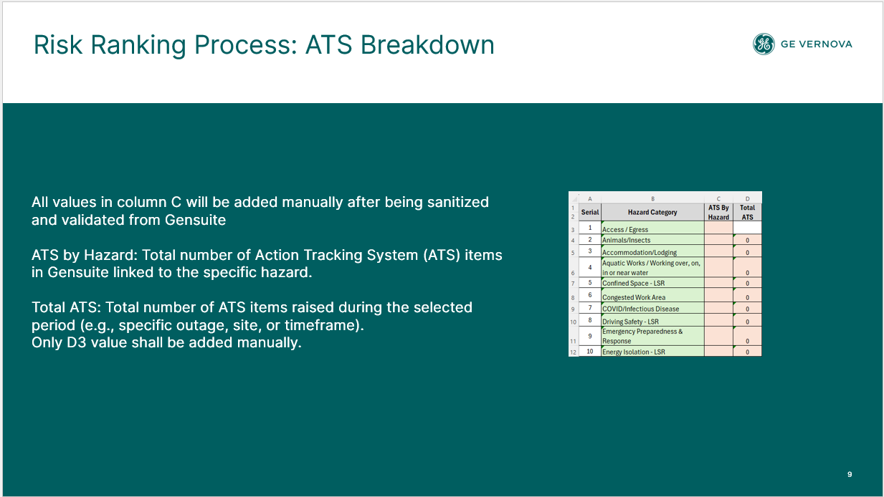
4 | Aquatic Works / Working over, on, in or near water | 75 | 974
5 | Confined Space - LSR | 3 | 974
6 | Congested Work Area | 2 | 974
7 | COVID/Infectious Disease | 3 | 974
8 | Driving Safety - LSR | 84 | 974
9 | Emergency Preparedness & Response | 29 | 974
10 | Energy Isolation - LSR | 2 | 974
11 | Environment | 3 | 974
12 | Environment/Spill/Waste | 42 | 974
13 | Ergonomics | 3 | 974
14 | Excavation | 1 | 974
15 | Fatigue/Work Stress | 12 | 974
16 | Fire and Explosion - LSR | 39 | 974
17 | Hazardous Substances | 20 | 974
18 | Housekeeping | 68 | 974
19 | Industrial Hygiene - Biological |  | 974
20 | Industrial Hygiene - Chemical | 4 | 974
21 | Industrial Hygiene - Physical (Noise, Vibration, Lighting etc.) | 11 | 974
22 | Line of Fire - LSR | 7 | 974
23 | Live Electrical - LSR | 2 | 974
24 | Machine / Equipment | 62 | 974
25 | Manual Handling | 6 | 974
26 | Mechanical Lifting - LSR | 22 | 974
27 | Non-powered Hand Tools | 5 | 974
28 | Pedestrian and Vehicle Traffic Management | 27 | 974
29 | Personal Protective Equipment (PPE) | 33 | 974
30 | Pinch Point/Sharp Objects | 16 | 974
31 | Powered Hand Tools | 12 | 974
32 | Radiation |  | 974
33 | Site Welfare Facilities | 9 | 974
34 | Systems & Procedures | 30 | 974
35 | Walking Working Surfaces | 66 | 974
36 | Weather | 87 | 974
37 | Work at Height - LSR | 54 | 974
38 | Work Authorization - LSR | 7 | 974
39 | Working Alone |  | 974
40 | 0 |  | 974
41 | 0 |  | 974
42 | 0 |  | 974
43 | 0 |  | 974
44 | 0 |  | 974
45 | 0 |  | 974
46 | 0 |  | 974
47 | 0 |  | 974
48 | 0 |  | 974
49 | 0 |  | 974
50 | 0 |  | 974
51 | 0 |  | 974
52 | 0 |  | 974
53 | 0 |  | 974
54 | 0 |  | 974
55 | 0 |  | 974
56 | 0 |  | 974
57 | 0 |  | 974
58 | 0 |  | 974
59 | 0 |  | 974
60 | 0 |  | 974

Concern Reports
Serial | Hazard Category | CR By Hazard | Adverse CR | Positive CR | STOP CR | Escalated CR

1 | Access / Egress | 306 | 288 | 17 | 1
2 | Animals/Insects | 12 | 11 | 0 | 1
3 | Accommodation/Lodging | 23 | 18 | 5
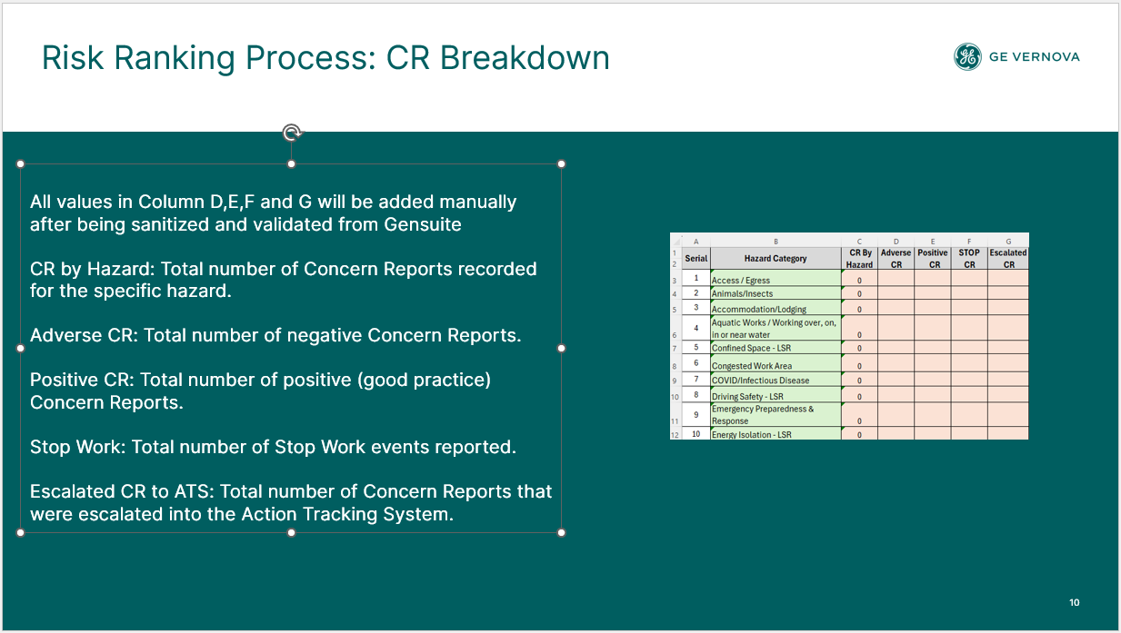
4 | Aquatic Works / Working over, on, in or near water | 0
5 | Confined Space - LSR | 70 | 28 | 35 | 7
6 | Congested Work Area | 57 | 50 | 7
7 | COVID/Infectious Disease | 0
8 | Driving Safety - LSR | 67 | 46 | 11 | 10
9 | Emergency Preparedness & Response | 136 | 96 | 24 | 16
10 | Energy Isolation - LSR | 82 | 25 | 55 | 2
11 | Environment | 13 | 9 | 1 | 3
12 | Environment/Spill/Waste | 105 | 94 | 9 | 2
13 | Ergonomics | 215 | 154 | 39 | 22
14 | Excavation | 0
15 | Fatigue/Work Stress | 6 | 1 | 5
16 | Fire and Explosion - LSR | 446 | 279 | 102 | 65
17 | Hazardous Substances | 139 | 107 | 22 | 10
18 | Housekeeping | 946 | 729 | 206 | 11
19 | Industrial Hygiene - Biological | 6 | 4 | 2
20 | Industrial Hygiene - Chemical | 133 | 93 | 28 | 12
21 | Industrial Hygiene - Physical (Noise, Vibration, Lighting etc.) | 256 | 209 | 22 | 25
22 | Line of Fire - LSR | 479 | 346 | 77 | 56
23 | Live Electrical - LSR | 242 | 189 | 45 | 8
24 | Machine / Equipment | 148 | 115 | 26 | 7
25 | Manual Handling | 125 | 61 | 56 | 8
26 | Mechanical Lifting - LSR | 926 | 374 | 453 | 99
27 | Non-powered Hand Tools | 53 | 46 | 5 | 2
28 | Pedestrian and Vehicle Traffic Management | 49 | 32 | 5 | 12
29 | Personal Protective Equipment (PPE) | 825 | 624 | 190 | 11
30 | Pinch Point/Sharp Objects | 303 | 241 | 48 | 14
31 | Powered Hand Tools | 161 | 95 | 44 | 22
32 | Radiation | 0
33 | Site Welfare Facilities | 59 | 55 | 4
34 | Systems & Procedures | 554 | 218 | 288 | 48
35 | Walking Working Surfaces | 755 | 686 | 58 | 11
36 | Weather | 59 | 35 | 8 | 16
37 | Work at Height - LSR | 937 | 649 | 167 | 121
38 | Work Authorization - LSR | 39 | 21 | 12 | 6
39 | Working Alone | 0
40 | 0 | 0
41 | 0 | 0
42 | 0 | 0
43 | 0 | 0
44 | 0 | 0
45 | 0 | 0
46 | 0 | 0
47 | 0 | 0
48 | 0 | 0
49 | 0 | 0
50 | 0 | 0
51 | 0 | 0
52 | 0 | 0
53 | 0 | 0
54 | 0 | 0
55 | 0 | 0
56 | 0 | 0
57 | 0 | 0
58 | 0 | 0
59 | 0 | 0
60 | 0 | 0

CR, ATS Contribution
Serial | Hazard Category | ATS contrbution | CR contrbution | AT/C | CR/C

1 | Access / Egress | 4 | 62 | 4 | 62
2 | Animals/Insects | 2 | 92 | 2 | 92
3 | Accommodation/Lodging | 0 | 48 | 0 | 48
4 | Aquatic Works / Working over, on, in or near water | 4 | 0 | 4 | 0
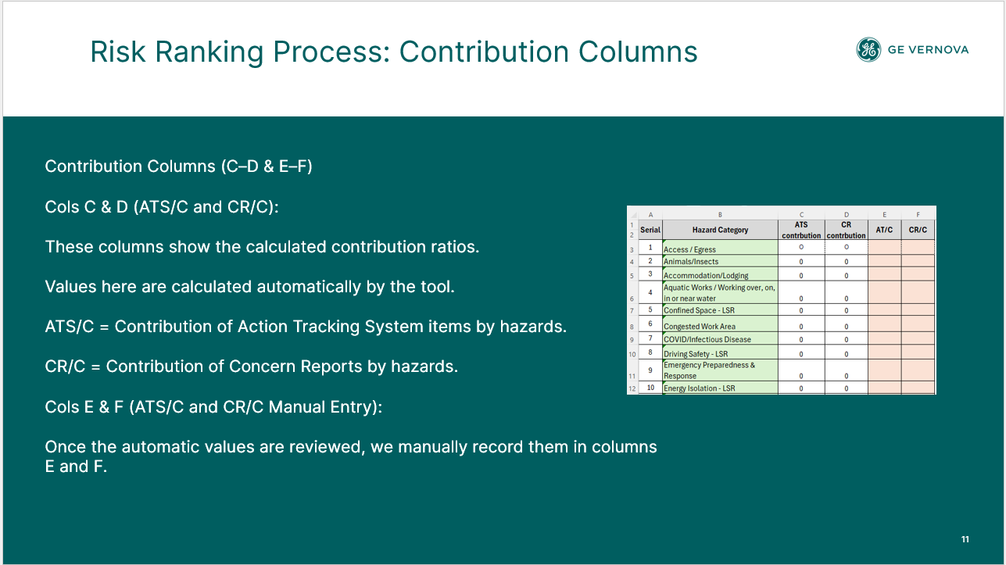
5 | Confined Space - LSR | 0 | 59 | 0 | 59
6 | Congested Work Area | 0 | 55 | 0 | 55
7 | COVID/Infectious Disease | 0 | 0 | 0 | 0
8 | Driving Safety - LSR | 4 | 101 | 4 | 101
9 | Emergency Preparedness & Response | 1 | 89 | 1 | 89
10 | Energy Isolation - LSR | 0 | 21 | 0 | 21
11 | Environment | 0 | 134 | 0 | 134
12 | Environment/Spill/Waste | 2 | 65 | 2 | 65
13 | Ergonomics | 0 | 84 | 0 | 84
14 | Excavation | 0 | 0 | 0 | 0
15 | Fatigue/Work Stress | 1 | 0 | 1 | 0
16 | Fire and Explosion - LSR | 2 | 95 | 2 | 95
17 | Hazardous Substances | 1 | 76 | 1 | 76
18 | Housekeeping | 3 | 52 | 3 | 52
19 | Industrial Hygiene - Biological | 0 | 39 | 0 | 39
20 | Industrial Hygiene - Chemical | 0 | 78 | 0 | 78
21 | Industrial Hygiene - Physical (Noise, Vibration, Lighting etc.) | 1 | 90 | 1 | 90
22 | Line of Fire - LSR | 0 | 90 | 0 | 90
23 | Live Electrical - LSR | 0 | 61 | 0 | 61
24 | Machine / Equipment | 3 | 67 | 3 | 67
25 | Manual Handling | 0 | 51 | 0 | 51
26 | Mechanical Lifting - LSR | 1 | 62 | 1 | 62
27 | Non-powered Hand Tools | 0 | 70 | 0 | 70
28 | Pedestrian and Vehicle Traffic Management | 1 | 137 | 1 | 137
29 | Personal Protective Equipment (PPE) | 2 | 51 | 2 | 51
30 | Pinch Point/Sharp Objects | 1 | 68 | 1 | 68
31 | Powered Hand Tools | 1 | 88 | 1 | 88
32 | Radiation | 0 | 0 | 0 | 0
33 | Site Welfare Facilities | 0 | 60 | 0 | 60
34 | Systems & Procedures | 2 | 53 | 2 | 53
35 | Walking Working Surfaces | 3 | 64 | 3 | 64
36 | Weather | 4 | 143 | 4 | 143
37 | Work at Height - LSR | 3 | 93 | 3 | 93
38 | Work Authorization - LSR | 0 | 91 | 0 | 91
39 | Working Alone | 0 | 0 | 0 | 0
40 | 0 | 0 | 0
41 | 0 | 0 | 0
42 | 0 | 0 | 0
43 | 0 | 0 | 0
44 | 0 | 0 | 0
45 | 0 | 0 | 0
46 | 0 | 0 | 0
47 | 0 | 0 | 0
48 | 0 | 0 | 0
49 | 0 | 0 | 0
50 | 0 | 0 | 0
51 | 0 | 0 | 0
52 | 0 | 0 | 0
53 | 0 | 0 | 0
54 | 0 | 0 | 0
55 | 0 | 0 | 0
56 | 0 | 0 | 0
57 | 0 | 0 | 0
58 | 0 | 0 | 0
59 | 0 | 0 | 0
60 | 0 | 0 | 0

OFS Risk Register 2022
Home
GEV OFS RISK REGISTER 2022
Hazard of Concern | APAC Severity | APAC Frequency | APAC Risk | EU Severity | EU Frequency | EU Risk | LATAM Severity | LATAM Frequency | LATAM Risk | MEA Severity | MEA Frequency | MEA Risk | NAM Severity | NAM Frequency | NAM Risk | Global Severity TRA | Global Frequency TRA | Global Risk TRA
Use of Tooling | 2 | 3 | 4 | 3 | 4 | 6 | 4 | 4 | 7 | 2 | 2 | 3 | 3 | 4 | 6 | 3 | 4 | 6
Walking Surfaces | 2 | 3 | 4 | 3 | 3 | 5 | 3 | 3 | 5 | 3 | 3 | 5 | 2 | 4 | 5 | 3 | 3 | 5
Lifting Operations | 4 | 4 | 7 | 2 | 3 | 4 | 2 | 3 | 4 | 3 | 3 | 5 | 2 | 2 | 3 | 3 | 3 | 5
Motor Vehicle Operations | 2 | 4 | 5 | 2 | 4 | 5 | 3 | 3 | 5 | 3 | 3 | 5 | 3 | 3 | 5 | 3 | 3 | 5
Pinch Point / LOF | 3 | 3 | 5 | 3 | 2 | 4 | 1 | 1 | 1 | 2 | 1 | 2 | 1 | 2 | 2 | 3 | 2 | 4
Oil Spill | 4 | 4 | 7 | 1 | 2 | 2 | 2 | 3 | 4 | 1 | 2 | 2 | 1 | 2 | 2 | 2 | 3 | 4
Manual Handling / Ergo | 2 | 2 | 3 | 2 | 2 | 3 | 1 | 2 | 2 | 2 | 1 | 2 | 3 | 3 | 5 | 3 | 2 | 4
Dropped Objects | 2 | 2 | 3 | 1 | 3 | 3 | 1 | 3 | 3 | 2 | 1 | 2 | 3 | 3 | 5 | 2 | 3 | 4
Dust, Grit & Fume | 1 | 1 | 1 | 2 | 3 | 4 | 1 | 2 | 2 | 1 | 1 | 1 | 1 | 2 | 2 | 1 | 3 | 3
Working at Heights | 2 | 1 | 2 | 3 | 3 | 5 | 1 | 1 | 1 | 2 | 1 | 2 | 1 | 1 | 1 | 2 | 2 | 3
Powered Industrial Vehicles | 1 | 1 | 1 | 1 | 2 | 2 | 1 | 1 | 1 | 1 | 1 | 1 | 3 | 2 | 4 | 1 | 2 | 2
Uncontrolled Energy (LOTO) | 1 | 2 | 2 | 1 | 1 | 1 | 1 | 1 | 1 | 1 | 1 | 1 | 1 | 2 | 2 | 1 | 2 | 2
Hazardous Substances | 2 | 1 | 2 | 2 | 2 | 3 | 2 | 1 | 2 | 2 | 2 | 3 | 1 | 1 | 1 | 2 | 1 | 2
 |  |  | 0 |  |  | 0 |  |  | 0 |  |  | 0 |  |  | 0 |  |  | 0
 |  |  | 0 |  |  | 0 |  |  | 0 |  |  | 0 |  |  | 0 |  |  | 0
 |  |  | 0 |  |  | 0 |  |  | 0 |  |  | 0 |  |  | 0 |  |  | 0
 |  |  | 0 |  |  | 0 |  |  | 0 |  |  | 0 |  |  | 0 |  |  | 0
 |  |  | 0 |  |  | 0 |  |  | 0 |  |  | 0 |  |  | 0 |  |  | 0

OFS Risk Register 2024
Home
GEV OFS RISK REGISTER 2024
Hazard of Concern | EU Severity | EU Frequency | EU Risk | ASIA Severity | ASIA Frequency | ASIA Risk | LATAM Severity | LATAM Frequency | LATAM Risk | MEA Severity | MEA Frequency | MEA Risk | NAM Severity | NAM Frequency | NAM Risk | Global Severity TRA | Global Frequency TRA | Global Risk TRA
Lifting Operations/ Mechanical Lifting -LSR | 2 | 2 | 3 | 4 | 4 | 7 | 2 | 2 | 3 | 2 | 3 | 4 | 3 | 4 | 6 | 4 | 4 | 7
Hydraulic Tools / Jacks | 1 | 2 | 2 | 1 | 2 | 2 | 1 | 2 | 2 | 1 | 2 | 2 | 3 | 4 | 6 | 4 | 4 | 7
Manual Handling (Ergonomics) | 4 | 4 | 7 | 3 | 2 | 4 | 2 | 2 | 3 | 1 | 1 | 1 | 3 | 3 | 5 | 4 | 3 | 6
Walking Working Surfaces / Fall Same Levels | 3 | 2 | 4 | 4 | 4 | 7 | 3 | 3 | 5 | 2 | 3 | 4 | 3 | 3 | 5 | 4 | 3 | 6
Hand & Power Tools | 4 | 4 | 7 | 3 | 3 | 5 | 2 | 2 | 3 | 1 | 1 | 1 | 1 | 1 | 1 | 4 | 3 | 6
PPE | 4 | 3 | 6 | 3 | 2 | 4 | 3 | 2 | 4 | 2 | 2 | 3 | 3 | 2 | 4 | 4 | 3 | 6
Scaffolding | 4 | 3 | 6 | 4 | 3 | 6 | 2 | 2 | 3 | 2 | 2 | 3 | 2 | 2 | 3 | 4 | 3 | 6
Driving Safety/ Motor Vehicle/ Pedestrian and Vehicle Traffic Management | 2 | 2 | 3 | 2 | 2 | 3 | 1 | 1 | 1 | 3 | 4 | 6 | 3 | 3 | 5 | 4 | 3 | 6
Dropped Objects | 2 | 2 | 3 | 3 | 3 | 5 | 2 | 2 | 3 | 3 | 3 | 5 | 3 | 4 | 6 | 4 | 3 | 6
Electrical Safety -LSR/Live Electrical | 2 | 2 | 3 | 3 | 4 | 6 | 3 | 2 | 4 | 1 | 1 | 1 | 3 | 2 | 4 | 4 | 3 | 6
Debris, Dust, Fume or Grit (Foreing material / flying particles) | 1 | 1 | 1 | 3 | 2 | 4 | 1 | 1 | 1 | 3 | 3 | 5 | 4 | 2 | 5 | 4 | 3 | 6
Lock Out Tag Out (LOTO)/ Energy Isolation - LSR | 2 | 2 | 3 | 3 | 3 | 5 | 2 | 2 | 3 | 2 | 2 | 3 | 2 | 3 | 4 | 4 | 3 | 6
Working with Contractor | 2 | 2 | 3 | 2 | 2 | 3 | 2 | 2 | 3 | 2 | 2 | 3 | 3 | 3 | 5 | 4 | 3 | 6
Forklift and Material Handling | 2 | 2 | 3 | 3 | 2 | 4 | 1 | 1 | 1 | 2 | 2 | 3 | 3 | 3 | 5 | 4 | 3 | 6
Line of Fire -LSR | 3 | 2 | 4 | 4 | 3 | 6 | 2 | 2 | 3 | 2 | 3 | 4 | 4 | 3 | 6 | 3 | 2 | 4
Confined Space -LSR | 2 | 2 | 3 | 2 | 2 | 3 | 3 | 2 | 4 | 2 | 2 | 3 | 2 | 2 | 3 | 3 | 3 | 5
Spill / Release | 1 | 1 | 1 | 4 | 4 | 7 | 2 | 3 | 4 | 3 | 2 | 4 | 3 | 2 | 4 | 3 | 3 | 5
Fire prevention & Protection | 2 | 2 | 3 | 2 | 2 | 3 | 1 | 1 | 1 | 2 | 2 | 3 | 2 | 3 | 4 | 3 | 3 | 5
Hot work / Hot Surfaces | 1 | 1 | 1 | 2 | 2 | 3 | 2 | 2 | 3 | 2 | 2 | 3 | 3 | 3 | 5 | 3 | 3 | 5
Pinch Point/Sharp Objects | 3 | 2 | 4 | 4 | 3 | 6 | 3 | 2 | 4 | 3 | 3 | 5 | 4 | 3 | 6 | 3 | 3 | 5
Extreme Weather | 2 | 2 | 3 | 2 | 2 | 3 | 2 | 2 | 3 | 3 | 2 | 4 | 2 | 2 | 3 | 3 | 3 | 5
Hazardous substances/Chemicals/IH | 2 | 1 | 2 | 3 | 3 | 5 | 2 | 3 | 4 | 2 | 3 | 4 | 3 | 3 | 5 | 3 | 3 | 5
Animals/Insects | 2 | 2 | 3 | 3 | 2 | 4 | 3 | 2 | 4 | 1 | 1 | 1 | 2 | 2 | 3 | 3 | 3 | 4
System or Procedure Violations | 2 | 2 | 3 | 2 | 2 | 3 | 2 | 2 | 3 | 2 | 2 | 3 | 2 | 2 | 3 | 3 | 3 | 4

OFS Risk Register 2025
Home
GEV OFS RISK REGISTER 2025
Hazard of Concern | EU Severity | EU Frequency | EU Risk | ASIA Severity | ASIA Frequency | ASIA Risk | LATAM Severity | LATAM Frequency | LATAM Risk | MEA Severity | MEA Frequency | MEA Risk | NAM Severity | NAM Frequency | NAM Risk | Global Severity TRA | Global Frequency TRA | Global Risk TRA
Driving Safety - LSR | 2 | 2 | 3 | 2 | 2 | 3 | 2 | 2 | 3 | 4 | 3 | 6 | 3 | 3 | 5 | 4 | 4 | 7
Pinch Point/Sharp Objects/Line of Fire - LSR | 2 | 4 | 5 | 3 | 3 | 5 | 2 | 3 | 4 | 2 | 3 | 4 | 3 | 3 | 5 | 4 | 4 | 7
Mechanical Lifting - LSR | 2 | 2 | 3 | 3 | 3 | 5 | 2 | 3 | 4 | 3 | 3 | 5 | 3 | 3 | 5 | 3 | 4 | 6
Manual Handling (Ergonomics) | 2 | 2 | 3 | 2 | 3 | 4 | 2 | 2 | 3 | 2 | 1 | 2 | 2 | 3 | 4 | 3 | 4 | 6
Powered & Hand Tools | 3 | 3 | 5 | 3 | 3 | 5 | 2 | 2 | 3 | 2 | 2 | 3 | 3 | 3 | 5 | 3 | 4 | 6
Walking Working Surfaces | 2 | 4 | 5 | 2 | 2 | 3 | 2 | 3 | 4 | 2 | 3 | 4 | 2 | 3 | 4 | 3 | 4 | 6
Live Electrical -LSR | 2 | 1 | 2 | 2 | 3 | 4 | 2 | 1 | 2 | 2 | 2 | 3 | 3 | 3 | 5 | 3 | 3 | 5
Forklift and Material Handling / Industrial Trucks | 2 | 2 | 3 | 2 | 2 | 3 | 2 | 1 | 2 | 2 | 2 | 3 | 1 | 2 | 2 | 3 | 3 | 5
Dropped Objects | 2 | 1 | 2 | 2 | 1 | 2 | 1 | 2 | 2 | 2 | 2 | 3 | 3 | 3 | 5 | 3 | 3 | 5
Industrial Hygiene - Chemical | 2 | 3 | 4 | 2 | 1 | 2 | 2 | 2 | 3 | 2 | 2 | 3 | 2 | 3 | 4 | 2 | 3 | 4
Work at Height - LSR | 2 | 3 | 4 | 2 | 2 | 3 | 2 | 1 | 2 | 2 | 2 | 3 | 2 | 3 | 4 | 2 | 3 | 4
Congested Work Area | 2 | 2 | 3 | 2 | 1 | 2 | 2 | 2 | 3 | 2 | 2 | 3 | 1 | 2 | 2 | 2 | 3 | 4
Debris, Dust, Fume or Grit (Foreing material / flying particles) | 2 | 1 | 2 | 1 | 2 | 2 | 2 | 1 | 2 | 1 | 2 | 2 | 1 | 2 | 2 | 2 | 3 | 4
Personal Protective Equipment (PPE) | 2 | 2 | 3 | 2 | 2 | 3 | 2 | 3 | 4 | 2 | 2 | 3 | 2 | 2 | 3 | 2 | 3 | 4
Animals/Insects | 2 | 1 | 2 | 1 | 1 | 1 | 1 | 1 | 1 |  |  | 0 | 2 | 2 | 3 | 2 | 2 | 3
Confined Space - LSR | 2 | 1 | 2 | 2 | 2 | 3 | 1 | 1 | 1 | 2 | 2 | 3 | 1 | 1 | 1 | 2 | 2 | 3
Energy Isolation - LSR | 2 | 2 | 3 | 1 | 1 | 1 | 1 | 1 | 1 | 2 | 2 | 3 | 2 | 2 | 3 | 2 | 2 | 3
Fire and Explosion - LSR | 1 | 1 | 1 | 2 | 2 | 3 | 1 | 1 | 1 | 2 | 2 | 3 | 2 | 2 | 3 | 2 | 2 | 3
Housekeeping | 2 | 2 | 3 | 2 | 2 | 3 | 2 | 2 | 3 | 2 | 2 | 3 | 2 | 2 | 3 | 2 | 2 | 3
Systems & Procedures | 2 | 2 | 3 | 1 | 1 | 1 | 2 | 2 | 3 | 2 | 2 | 3 | 2 | 2 | 3 | 2 | 2 | 3
Scaffolding, Formwork, etc. (Temporary Works) | 2 | 2 | 3 | 2 | 2 | 3 | 2 | 2 | 3 | 2 | 2 | 3 | 1 | 1 | 1 | 2 | 2 | 3
Work Authorization - LSR | 1 | 1 | 1 | 1 | 1 | 1 | 1 | 1 | 1 | 1 | 1 | 1 | 1 | 1 | 1 | 1 | 1 | 1
 |  |  | 0 |  |  | 0 |  |  | 0 |  |  | 0 |  |  | 0 |  |  | 0
 |  |  | 0 |  |  | 0 |  |  | 0 |  |  | 0 |  |  | 0 |  |  | 0

OFS Life Saving Rules Risk Rank
Home
OFS Life Saving Rules Risk Ranking Q1 2026
Hazard of Concern | Severity | Frequency | Risk
Driving Safety - LSR | 2 | 2 | 3
Line of Fire - LSR | 1 | 1 | 2
Mechanical Lifting - LSR | 3 | 3 | 5
Live Electrical -LSR | 1 | 1 | 2
Confined Space - LSR | 1 | 1 | 2
Energy Isolation - LSR | 1 | 1 | 2
Fire and Explosion - LSR | 2 | 2 | 2
Work Authorization - LSR | 1 | 1 | 2
Work at Height - LSR | 2 | 2 | 3

